Sheet1
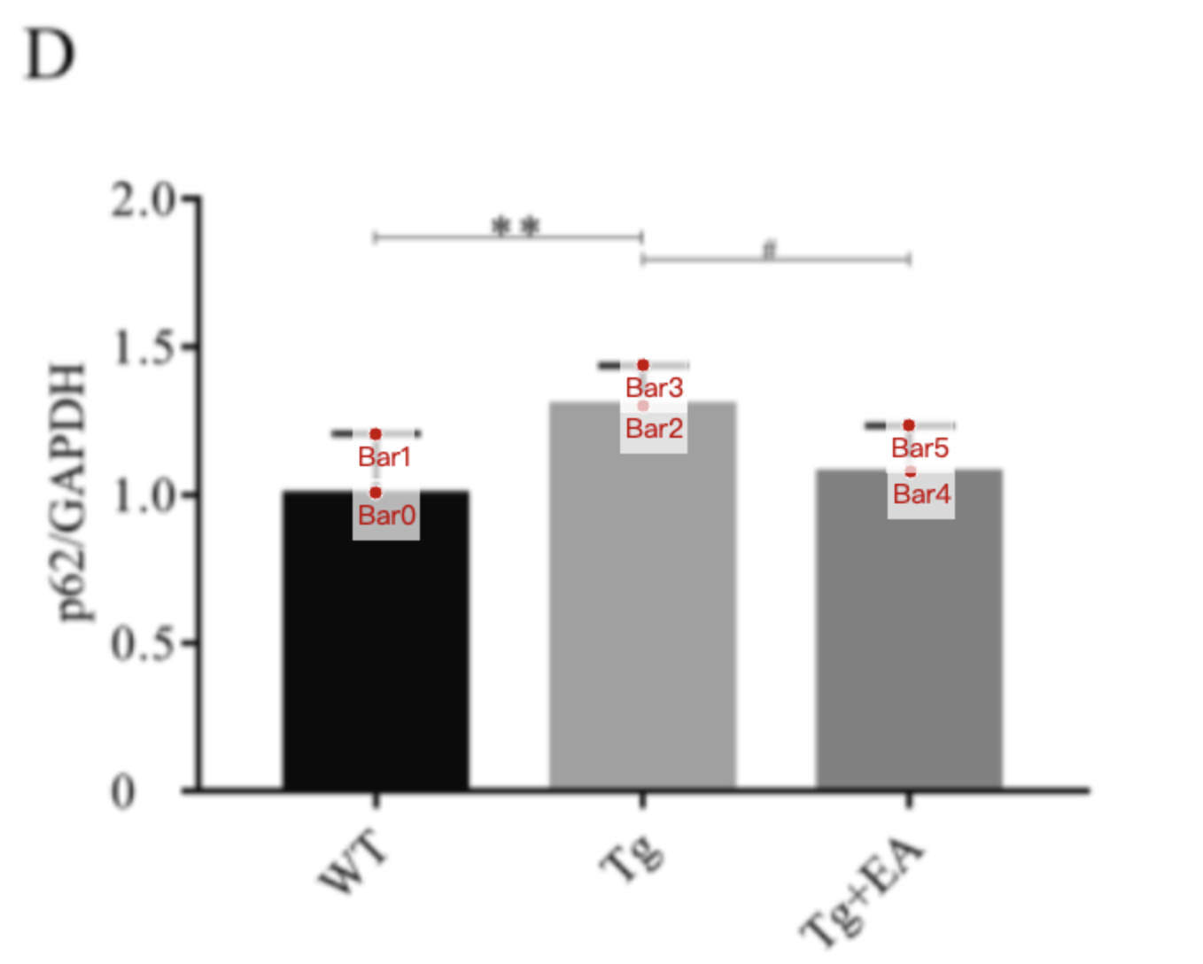
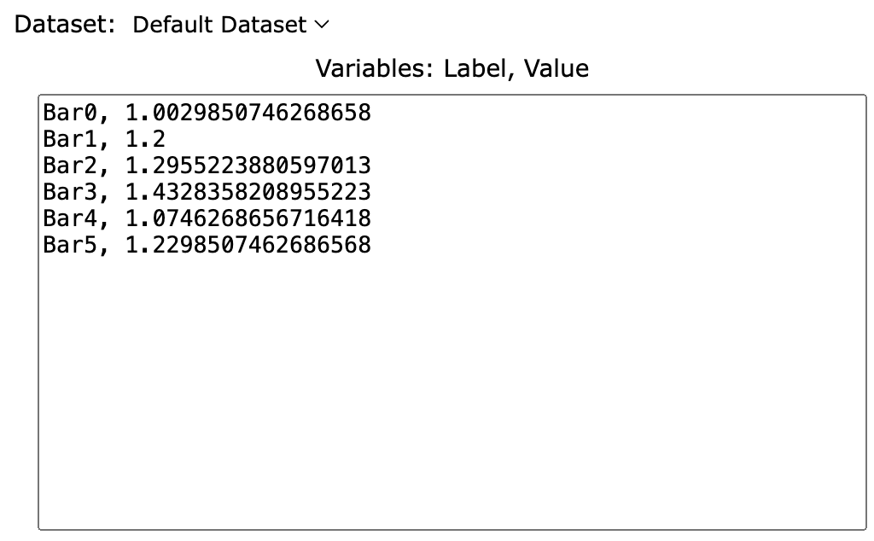
Treatment Group | WT_p62/GAPDH | Tg_p62/GAPDH | Tg+EA_p62/GAPDH
mean | 1.0029850746 | 1.2955223881 | 1.0746268657
sd | 0.1970149254 | 0.1373134328 | 0.1552238806
mean+sd | 1.2 | 1.4328358209 | 1.2298507463

